Resources
(Column B) For billing policies including consolidation see "Billing Policies" at https://www.ncids.org/ids-policies-and-rules/

(Column D & E) To find File & Serve "Filing Accepted" email and OASIS "Fee App Received" invoice record search your email inbox for that file number, see "Verification of Success…" button on FAQ located here for more https://www.ncids.org/oasis-frequently-asked-questions/

(Column H) Sample ePay Stub (see "Payment Date" for date of payment for the file numbers/cases on the Payment Remittance notice for entering the payment date in Column G

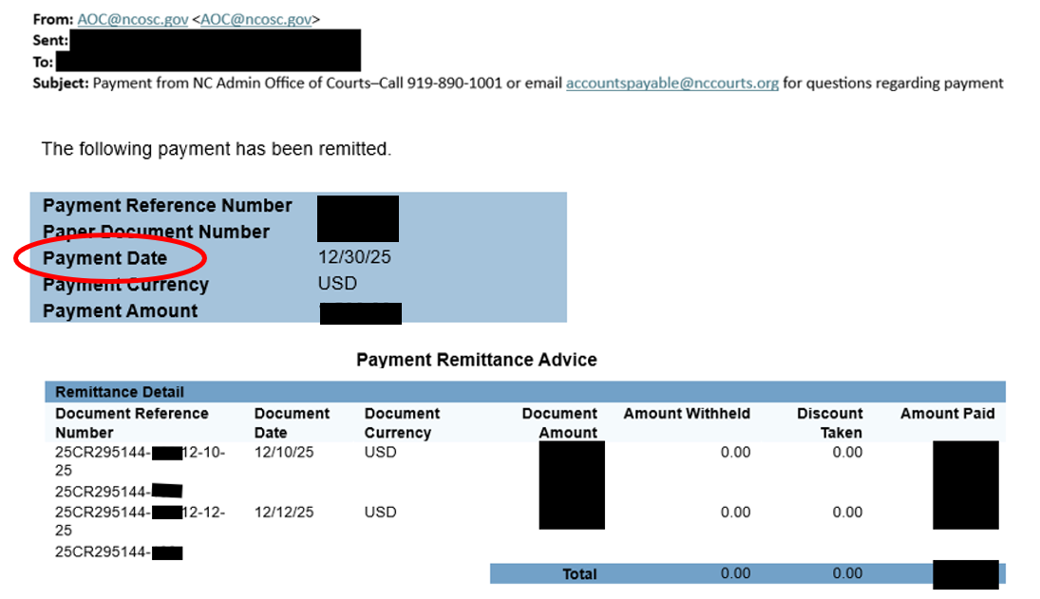

(Column I) If rejected, enter the resubmitted case on a new line in the spreadsheet (sample rejection email below)

